Inv - 4.A.1 Fiber Network
Inventory - 4.A.1 Fiber Network

Exhibit - Fiber Network Transport, Sonet Network

An online version of the Lee County fiber network is available at
http://www.arcgis.com/home/webmap/viewer.html?webmap=e51c65a245264adbb4dae4ae38e8e329
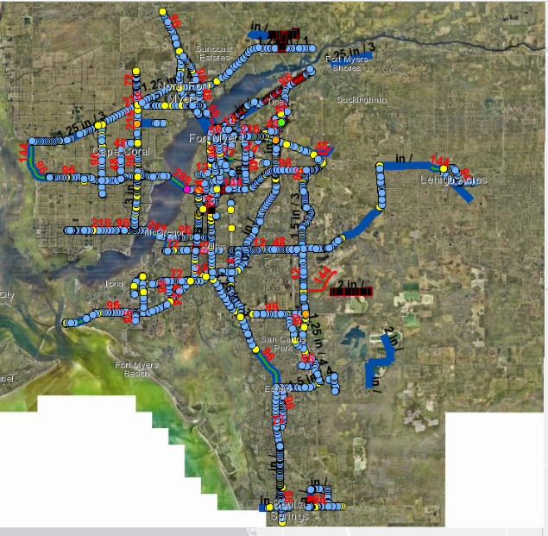

Exhibit - Fiber Network Topology

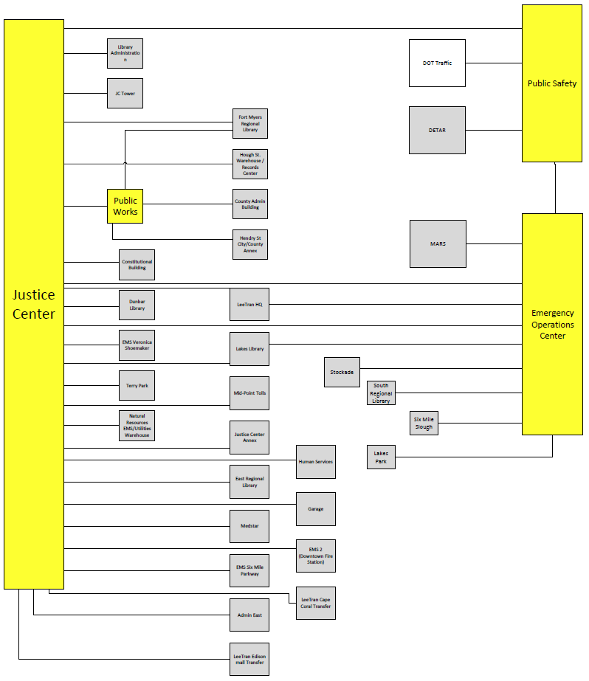

Inv - 4.A.2 Fiber Trans Topo
Inventory - 4.A.2 Fiber Transport Topology

Exhibit - Fiber Network Transport, Sonet Network
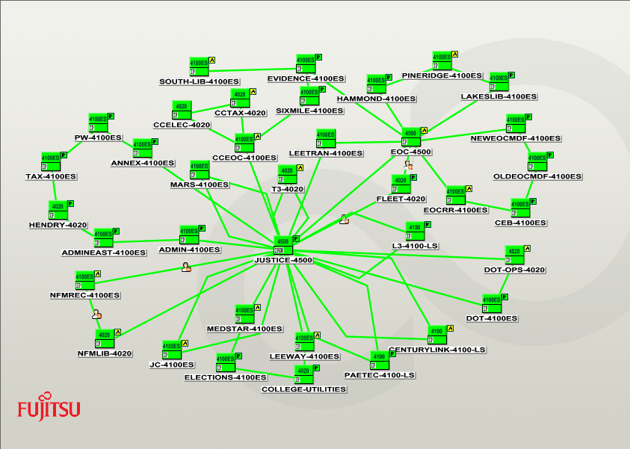

Exhibit - Fiber Network Transport, DWDM Core Network

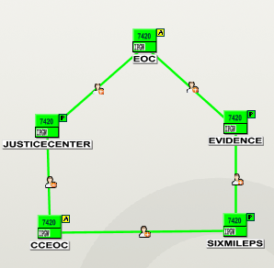

Exhibit - Fiber Network Transport, DWDM Core & SONET Network

